CHI CSU_SoC_ReqFlit field
REQFLIT
Field | Field width | END BIT | START BIT
QoS | 4 | 3 | 0
TgtID | 6 | 9 | 4
SrcID | 0 | 3 | 4
TxnID | 8 | 11 | 4
ReturnNID | 6 | 17 | 12
StashNID | 0 | 17 | 18
Endian | 1 | 12 | 12
StashNIDValid | 0 | 12 | 13
deep | 0 | 12 | 13
ReturnTxnID | 8 | 20 | 13
{0b00, | 0 | 20 | 21
StashLPIDValid, | 0 | 20 | 21
StashLPID[4:0]} | 0 | 20 | 21
Opcode | 7 | 18 | 12
Size | 3 | 21 | 19
Addr | 36 | 57 | 22
NS | 1 | 58 | 58
LikelyShared | 1 | 59 | 59
AllowRetry | 1 | 59 | 59
Order | 2 | 61 | 60
PCrdType | 4 | 65 | 62
MemAttr | 4 | 69 | 66
SnpAttr | 1 | 70 | 70
DoNotDWT | 0 | 70 | 71
LPID | 4 | 74 | 71
PGroupID | 0 | 74 | 75
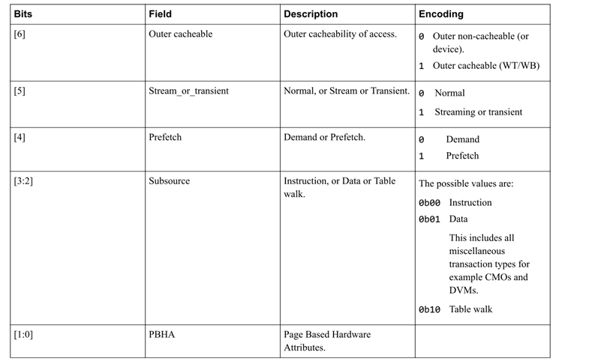
GroupIDExt | 0 | 74 | 75
Excl | 1 | 75 | 75
SnoopMe | 0 | 75 | 76
ExpCompAck | 1 | 76 | 76
TagOp | 0 | 76 | 77
TraceTag | 1 | 77 | 77
MPAM | 4 | 81 | 78
PBHA | 4 | 85 | 82
RSVDC_pass_dirty/is_dirty | 0 | 85 | 86
RSVDC_is_copyback/migratable | 0 | 85 | 86
RSVDC_to_pp | 1 | 86 | 86
RSVDC_subsource | 0 | 86 | 87
RSVDC_prf | 0 | 86 | 87
RSVDC_trans | 0 | 86 | 87
RSVDC_outer_shareable | 0 | 86 | 87
RSVDC_flittype | 4 | 90 | 87
 |  |  | 91

CHI CSU_SoC_SnpFlit field
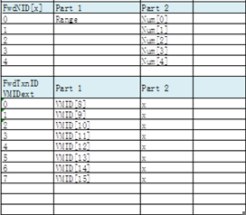
SNPFLIT
Field | Field width | END BIT | START BIT
QoS | 4 | 3 | 0
SrcID | 6 | 5 | 0
TxnID | 8 | 13 | 6
FwdNID | 6 | 19 | 14
FwdTxnID | 8 | 27 | 20
{0b00, | 0 | 27 | 28
StashLPIDValid, | 0 | 27 | 28
StashLPID[4:0]} | 0 | 27 | 28
{VMIDExt[7:0]} | 0 | #REF! | #REF!
Opcode | 5 | 32 | 28
Addr | 33 | 65 | 33
NS | 1 | 66 | 66
DoNotGoToSD | 1 | 67 | 67
DoNotDataPull | 0 | 67 | 68
RetToSrc | 1 | 67 | 67
TraceTag | 1 | 67 | 67
MPAM | 0 | 67 | 68
PBHA | 0 | 67 | 68
 |  |  | 67

